Sheet1
UNIVERSITY OF DUBUQUE - LEARNING TIME WORKSHEET
Completed by: |  |  |  |  |  |  | Credit Hours:
Course Number: |  |  |  |  |  |  | Term/Semester:
Course Name:

Instructions: Fill in the shaded fields below with the requested information. If necessary, clear the contents or enter the number 0 in the field if the type of learning activity described does not apply to your course. In completing this worksheet, estimate the time an average student will take to complete the listed activity. Actual time spent will vary widely based on individual student ability and motivation. This worksheet is intended to document that UD courses are designed to engage students in learning activities both in and out of class. This is not an evaluation of individual student achievement. Each student will need to demonstrate that she/he has met the learning outcomes of the course through the assessment methods developed by the department and/or instructor.
LEARNING ACTIVITY |  |  |  |  |  |  |  | HOURS
Planned In-Class Engagement
 | A. | Regular Class Sessions (Excluding Final Exam)
 |  |  | Total # of Sessions |  |  | Minutes per Session | = Minutes in Class | = Hours excluding final
 |  |  |  |  |  |  | 0 | 0.00
 | B. | Scheduled Final Examination Period (Required) |  |  |  |  | Minutes for Final | = Hours for Final Exam
 |  |  |  |  |  |  | 0 | 0.00
Planned Out-of-Class Engagement
 | A. | Reading Assignments |  |  | *Consult College-level Reading Speeds Table (attached) for suggested values
 |  |  | Level I | e.g. Advanced, Scientific, Technical or Scholarly Reading |  |  |  | = # of hours reading Level I Assignments
 |  |  | Total number of pages |  |  | Words per minute | Avg # words per page

 |  |  |  |  |  | = Words per hour | = Pages per hour
 |  |  |  |  |  | 0 | #DIV/0! | #DIV/0!
 |  |  | Level II | e.g. Non-technical |  |  |  | = # of hours reading Level II Assignments
 |  |  | Total number of pages |  |  | Words per minute | Avg # words per page

 |  |  |  |  |  | = Words per hour | = Pages per hour
 |  |  |  |  |  | 0 | #DIV/0! | #DIV/0!
 |  |  | Level III | e.g. Popular |  |  |  | = # of hours reading Level III Assignments
 |  |  | Total number of pages |  |  | Words per minute | Avg # words per page

 |  |  |  |  |  | = Words per hour | = Pages per hour
 |  |  |  |  |  | 0 | #DIV/0! | #DIV/0!
 | B. | Other Out-of-Class Assignments (list/describe below): |  |  |  |  | Estimated Hours | = # of hours spent on Other Out-of-Class Assignments
 |  |  | Participation
 |  |  | Weekly Reading Assignments
 |  |  | 3 Position Papers
 |  |  | Organizational Analysis
 |  |  | Personal Philosophy

 |  |  | Copy/paste additional needed copies of this row above
 |  |  |  |  |  |  |  | 0.00
TOTAL AVERAGE HOURS OF ENGAGEMENT FOR THIS COURSE |  |  |  |  |  |  |  | #DIV/0!
Minimum engagement hours: 1 CH = 37.5, 2 CH = 75, 3 CH = 112.5, 4 CH = 150
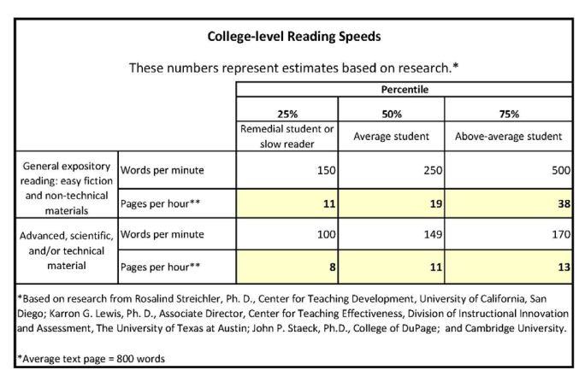

NOTE 1: The table above is taken from a similar "Credit Hour Calculator" which is used by Harding University.
NOTE 2: 250 words per minute is recommended as a standard average college-level reading rate. Consult the following web sites for further information:

 |  | http://www.sacrameducate.org/version2/pdf/Reading-Plus-Fluency-Chart.pdf
 |  | http://www.articlesbase.com/self-improvement-articles/determine-your-average-reading-speed-and-how-to-improve-it-1526986.html

